Charts1
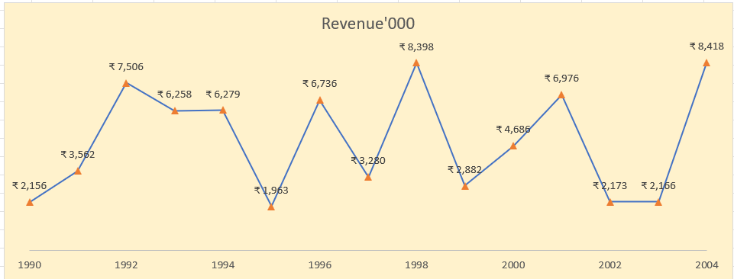
Create Line Chart with Proper formatting
Should be formatted as shown in picture |  | Question Plot

Date | Revenue'000
1990 | ₹ 2,156
1991 | ₹ 3,562
1992 | ₹ 7,506
1993 | ₹ 6,258
1994 | ₹ 6,279
1995 | ₹ 1,963
1996 | ₹ 6,736
1997 | ₹ 3,280
1998 | ₹ 8,398
Revenue '000
1999 | ₹ 2,882
2000 | ₹ 4,686
2001 | ₹ 6,976
2002 | ₹ 2,173
2003 | ₹ 2,166 |  | ANSWER PLOT
2004 | ₹ 8,418

Charts2
Create Combo Chart with Proper formatting
Should be formatted as shown in picture |  |  |  | Question Plot

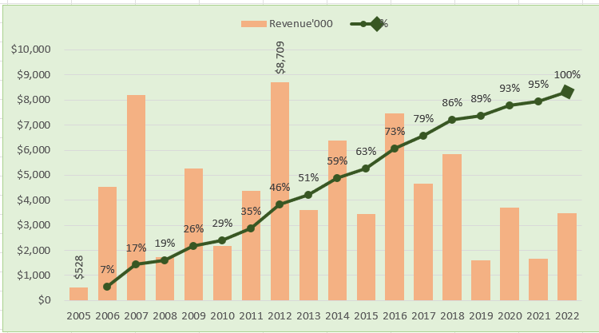
Date | Revenue'000 | Running Total | %
2005-01-01 | $528
2006-01-01 | $4,550 | 5,078.00 | 7%
2007-01-01 | $8,189 | 13,267.00 | 17%
2008-01-01 | $1,730 | 14,997.00 | 19%
2009-01-01 | $5,262 | 20,259.00 | 26%
2010-01-01 | $2,172 | 22,431.00 | 29%
2011-01-01 | $4,384 | 26,815.00 | 35%
2012-01-01 | $8,709 | 35,524.00 | 46%
2013-01-01 | $3,618 | 39,142.00 | 51%
2014-01-01 | $6,372 | 45,514.00 | 59%
2015-01-01 | $3,456 | 48,970.00 | 63%
2016-01-01 | $7,478 | 56,448.00 | 73%
2017-01-01 | $4,649 | 61,097.00 | 79%
2018-01-01 | $5,831 | 66,928.00 | 86%
2019-01-01 | $1,599 | 68,527.00 | 89%
2020-01-01 | $3,695 | 72,222.00 | 93%
2021-01-01 | $1,678 | 73,900.00 | 95%
2022-01-01 | $3,490 | 77,390.00 | 100%

Total | $77,390

 | Revenue'000 | % | Running Total
2005-01-01 | $528
2006-01-01 | $4,550 | 7% | 5,078.00
2007-01-01 | $8,189 | 17% | 13,267.00
2008-01-01 | $1,730 | 19% | 14,997.00
2009-01-01 | $5,262 | 26% | 20,259.00
2010-01-01 | $2,172 | 29% | 22,431.00
2011-01-01 | $4,384 | 35% | 26,815.00
2012-01-01 | $8,709 | 46% | 35,524.00
2013-01-01 | $3,618 | 51% | 39,142.00
2014-01-01 | $6,372 | 59% | 45,514.00
2015-01-01 | $3,456 | 63% | 48,970.00
2016-01-01 | $7,478 | 73% | 56,448.00
2017-01-01 | $4,649 | 79% | 61,097.00
2018-01-01 | $5,831 | 86% | 66,928.00
2019-01-01 | $1,599 | 89% | 68,527.00
2020-01-01 | $3,695 | 93% | 72,222.00
2021-01-01 | $1,678 | 95% | 73,900.00
2022-01-01 | $3,490 | 100% | 77,390.00

Charts3
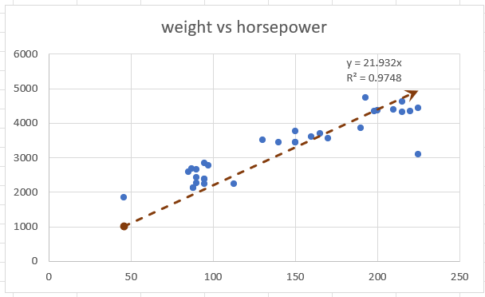
Create Scatter Chart with Proper formatting
Should be formatted as shown in picture
X | Y |  |  | Question Plot
horsepower | weight | (X-XBAR) | (Y-YBAR)
130 | 3504
165 | 3693
150 | 3436
150 | 3433
140 | 3449
198 | 4341
220 | 4354
215 | 4312
225 | 4425
190 | 3850
170 | 3563
160 | 3609
150 | 3761
225 | 3086
95 | 2372
95 | 2833
97 | 2774
85 | 2587
88 | 2130
46 | 1835
87 | 2672
90 | 2430
95 | 2375
113 | 2234
90 | 2648
215 | 4615
200 | 4376
210 | 4382
193 | 4732
88 | 2130
90 | 2264
95 | 2228

Charts4
Create Waterfall Chart with Proper formatting
Should be formatted as shown in picture

Period | Net Cash Flow
Start Balance | ₹ 100,000.00
JAN FY2022 | ₹ -25,000.00
FEB FY2022 | ₹ 10,000.00
MAR FY2022 | ₹ 14,000.00
APR FY2022 | ₹ -15,000.00
MAY FY2022 | ₹ -5,000.00
JUN FY2022 | ₹ 7,000.00
JUL FY2022 | ₹ 8,500.00
This chart isn't available in your version of Excel.Editing this shape or saving this workbook into a different file format will permanently break the chart.
AUG FY2022 | ₹ -10,000.00
SEP FY2022 | ₹ -16,000.00
OCT FY2022 | ₹ 10,000.00
Current Balance | ₹ 78,500.00

Charts5
 | Start Date | Work Days Planned
Main task 1 | 40081 | 159
Sub-task 1 | 40081 | 114
Sub-task 2 | 40119 | 88
Sub-task 3 | 40148 | 20
Sub-task 4 | 40148 | 45
Sub-task 5 | 40168 | 25
Sub-task 6 | 40182 | 25
Main task 2 | 40182 | 51
Sub-task 1 | 40182 | 7
Sub-task 2 | 40189 | 15
Sub-task 3 | 40203 | 30
Create Gantt Chart with Proper formatting
Should be formatted as shown in picture

Task Description | Start Date | Planned End Date | Work Days Planned
Main task 1 | 25-Sep-09 | 3-Mar-10 | 159
Sub-task 1 | 25-Sep-09 | 17-Jan-10 | 114
Sub-task 2 | 2-Nov-09 | 29-Jan-10 | 88
Sub-task 3 | 1-Dec-09 | 21-Dec-09 | 20
Sub-task 4 | 1-Dec-09 | 15-Jan-10 | 45
Sub-task 5 | 21-Dec-09 | 15-Jan-10 | 25
Sub-task 6 | 4-Jan-10 | 29-Jan-10 | 25
Main task 2 | 4-Jan-10 | 24-Feb-10 | 51
Sub-task 1 | 4-Jan-10 | 11-Jan-10 | 7
Sub-task 2 | 11-Jan-10 | 26-Jan-10 | 15
Sub-task 3 | 25-Jan-10 | 24-Feb-10 | 30

